2010 Soft Computing Scores
 |  |  |  |  |  |  |  | Quizzes |  |  |  |  |  |  |  |  |  |  | COOL | Youtube | Final Project
 |  |  |  |  |  | Semester Score | Grade | 2020-09-28 |  |  |  |  |  |  |  |  |  | Average | Activities
編號 | 身份 | 系級 | 年級 | 學號 | 姓名 |  |  | Quiz01 | Quiz02 | Quiz3 | Quiz4 | Quiz5 | Quiz6 | Average |  | Ass12 |  |  |  |  | Report | Source code | Project | comments | Score
1 | 校內生 |  |  | b07502036 |  |  |  | 9 | 10 | 9.5 | 1 | 10 |  |  | Using Queue is costly in this assignment, where fixed arrays are preferred since your stopping condition is simply the iteration limit. Make a clear design of your PSO class that it will not involve any charting objects, such as Series, Chart. Instead it just keeps logs of iteration count and objective values that are stored in arrays. Arrange series display orders let so far the best series not be obscured. | 88 | Your RMSE can be calculated within the first forward training computation pass; it does not need the second pass. Good display effects on weights. The convergence of error does not seem correct for default setting in execution breast cancer dataset. Evaluate the efficiency of your shuffle algorithm that uses Array.Orderby(), which involve an array sorting, against our own algorithm
2 | 校內生 |  |  | r08546001 |  |  |  | 7 | 4 | 5 | 2 | 8 |  |  | Layout is clipped as shown in Fig 8. Unable to reset and rerun the evolution. No category for property. | 82 | Wrong epsilon update: for(int b = 1 ; b < n[s+1]; b++) { e[s - 1][y - 1] = e[s - 1][y - 1] * e[s][b - 1] * w[s][b-1][y]; <-- wrong } e[s - 1][y - 1] = x[s][y] * (1 - x[s][y]) * e[s - 1][y - 1] ;
3 | 校內生 |  |  | r08546002 |  |  |  | 10 | 6 | 7.5 | 1 | 10 |  |  | OK. Unable to load another problem with a larger dimension, after solving a smaller one. | 93 | Good to add HyperbolicTangent activation function; however, in your reset function you need to remap the input to [-1,1].
4 | 校內生 |  |  | r08546017 |  |  |  | 3.7 | 2 | 4 | 2 | 5.5 |  |  | Your PSO is not able to solve maximization problem. Good to add GA solver. Debug the GA real number solver; it should generate better results than PSO in high-dimension problems. | 75 | Array indexing and weight update is not correct. Check the derivation equations of MLP closely and implement them correctly. for (int i = 1; i <= w.Length; i++) { for (int j = 0; j < w[i].Length; j++) { for (int k = 0; k < w[i][j].Length; k++) { w[i][j][k] = -1 * InitialEta * e[i][j] * x[i - 1][k] + learningRate * wp[i][j][k]; wp[i][j][k] = w[i][j][k]; } } }
5 | 校內生 |  |  | r08546028 |  |  |  | 7.5 | 0 | 4 | 1 | 1 |  |  | No guarding on disabling execution buttons when a new problem is read. | 80 | RMSE calculation is not correct.
6 | 校內生 |  |  | r08546035 |  |  |  | 8 | 10 | 8 | 9 | 10 |  |  | Unable to load another problem with a larger dimension, after solving a smaller one. Good to add GA solver. | 90 | Shuffle during training should shuffle those training data; otherwise, your training data set is not remained the same.
7 | 校內生 |  |  | r08546036 |  |  |  | 8.5 | 5 | 6.5 | 7 | 8 |  |  | Poor title. No guarding on disabling execution buttons when a new problem is read. No category for property. Set read-only properties to not-browsable. | 88 | OK! Add your GA and PSO to train MLP!
8 | 校內生 |  |  | r09522638 |  |  |  | 5 | 3 | 6 | 2 | 5.5 |  |  | OK. Unable to load another problem with a larger dimension, after solving a smaller one. No category for your properties. | 83 | Testing is not correct. Test data sets with three classes, such as wine and threeChained. Allow use not using momentum mode.
9 | 校內生 |  |  | r09546001 |  |  |  | 6.5 | 7 | 9.5 | 6 | 9 |  |  | Poor title. Your PSO is not able to solve maximization problem. Iteration average is not correct. Graphics display of particles are wrong when user change number of particles. | 88 | OK Set valid default settings for the user. Unable to activate testing button, when only click on run-to-end.
10 | 校內生 |  |  | r09546002 |  |  |  | 5.5 | 3 | 1 | 2 | 8 |  |  | Your PSO is not able to solve maximization problem. Wrong ComputeObjectiveValueAndUpdateSoFarTheBest(); wrong iteration average. Good to add GA solver; debug your GA; it should be better than PSO. | 88 | Good implementation of different activation functions. When user select hyperbolic tangent, the input and output data should be mapped to [-1, 1].
11 | 校內生 |  |  | r09546005 |  |  |  | 5 | 5 | 5 | 1 | 10 |  |  | Wrong particle move implementation; not each component of the velocity takes stochastic step. | 75 | Debug your code first! Epsilon computation is not correct. Make test work.
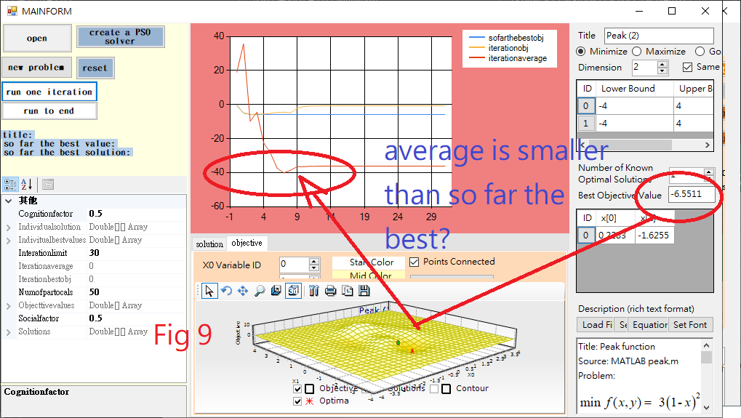
12 | 校內生 |  |  | r09546006 |  |  |  | 6.5 | 1 | 6 | 2 | 5 |  |  | Unable to load another problem with a larger dimension, after solving a smaller one. | 70 | Poor title. Set default values on your UIs for the user. Do not repeatedly allocate memory for unnecessary reproducing your input vectors in TrailAEpoch. Ask help from your collogues to debug your code; infinite loop bumped: for (int k = 0; k < inputDimension; k++) { while(k==0) { x[0][k] = 1; //bias 的x設為1 } x[0][k] = TrainingInput[j, k]; }
13 | 校內生 |  |  | r09546008 |  |  |  | 7.5 | 4 | 4.5 | 4 | 2 |  |  | Missing stochastic procedure in moving particles to new positions, check slides. Avoid unnecessary repeat calls of GetObjectiveValue() in your UpdateTeBestPositions(). When user changes number of particles, your reset fails. | 85 | You do need to reallocate memory for neuron values in your TrainAnEpoch. LEARN to allocate memory once to have a good data structure design for solving any problem.
14 | 校內生 |  |  | r09546010 |  |  |  | 9 | 1 | 5 | 1 | 7 |  |  | Poor file name. Your PSO is not able to solve maximization problem. Wrong UpdateTheBestPosition()! Review what was gene-wise copy to global best solution that was discussed in GA. | 86 | OK
15 | 校內生 |  |  | r09546013 |  |  |  | 7.5
16 | 校內生 |  |  | r09546014 |  |  |  | 8 | 4 | 6 | 2 | 7 |  |  | Fails when user change number of particles to reset your solver. Poor UpdateForEachParticle(). Do not repeatedly call objfunction(); prepare data structure to keep objectives. No best solution and objective information is shown. | 75 | Debug your code; ask help from your colleagues.
17 | 校內生 |  |  | r09546016 |  |  |  | 9.5 | 9 | 7 | 8 | 10 |  |  | Fails when user change number of particles to reset your solver. | 85 | Set default values to your UIs for your user. Your e[l][k] calculation is not correct; the value is not reset to zero.
18 | 校內生 |  |  | r09546020 |  |  |  | 5.5 | 0 | 7 | 1 | 6 |  |  | Display best objective and solution when user clicks run-to-end. Add category to your properties. | 79 | RMSE calculation is not correct. Debug your code.
19 | 校內生 |  |  | r09546021 |  |  |  | 8 | 10 | 8 | 3 | 10 |  |  | Your PSO is not able to solve maximization problem. Clean up your UIs when user changes parameters and rerun the solver. Fails when user change number of particles to reset your solver. Unable to converge normally. for(int j = 0; j < numberOfDimentions; j++) { velocityVectors[i][j] = a * (individualBestSolution[i][j] - solutions[i][j]) + b * soFarTheBestSolution[j] - solutions[i][j]; <-- Wrong! solutions[i][j] += velocityVectors[i][j]; | 84 | OK. Value of RMSE is not correct.
20 | 校內生 |  |  | r09546023 |  |  |  | 5 | 1 | 7 | 1 | 1 |  |  | Your PSO is not completed! Wrong particle move implementation; double beta = socialFactor * randomizer.NextDouble(); for (int j = 0; j < numDimensions; j++)//Initialization { position[i][j] = alpha * (bestPosition[i] - position[i][j]) + beta * (bestPosition[i] - position[i][j]); <-- Wrong! if (position[j][i] > upperbound[i])
21 | 校內生 |  |  | r09546024 |  |  |  | 8 | 2 | 6 | 3 | 2 |  |  | Fails when user change number of particles to reset your solver. | 82 | Confusing table calculation in testing is not correct.
22 | 校內生 |  |  | r09546025 |  |  |  | 4.5 | 8 | 9 | 8 | 10 |  |  | Fails when user change number of particles to reset your solver. | 84 | Confusing table counting is not correct; check wine or iris data sets. Remove panel flicking.
23 | 校內生 |  |  | r09546026 |  |  |  | 7.5 | 4 | 6.5 | 6 | 5 |  |  | Open->reset-> app crashes! No best solution and objective information is shown after execution. The objective lines are not reasonable, as shown in Fig. 9. | 70 | Get help from your colleagues to debug your code.
24 | 校內生 |  |  | r09546030 |  |  |  | 8 | 10 | 6 | 9 | 7 |  |  | Unable to load another problem with a larger dimension, after solving a smaller one. Fails when open a new problem and directly run the solver. Good to add GA solver. Debug the GA real number solver; it should generate better results than PSO in high-dimension problems. | 86 | OK
25 | 校內生 |  |  | r09546031 |  |  |  | 6 | 1 | 5 | 1 | 1 |  |  | Your PSO is not able to solve maximization problem. No best objective and solution information is shown after run to end. Wrong UpdateTheBestPosition()! Review what was gene-wise copy to global best solution that was discussed in GA. | 60 | Name the submitted folder with your ID indicated BEFFORE compressing it. Read and understand the derivation and try to implement the computation flow.
26 | 校內生 |  |  | r09546033 |  |  |  | 9 | 3 | 6 | 7 | 7 |  |  | Good to add GA solver. | 82 | Confusing table counting is not correct; check wine or iris data sets. Remove panel flicking. Check threeChainedDataSet; the convergence is not working.
27 | 校內生 |  |  | r09546035 |  |  |  | 5 | 2 | 8 | 2 | 8 |  |  | Unable to load another problem with a larger dimension, after solving a smaller one. Wrong UpdateTheBestPosition() in updating self best solution. Review what was gene-wise copy to global best solution that was discussed in GA. | 77 | Computation of epsilon is not correct. Variable temp is not reset to zero for each item. RMSE calculation is not correct. No testing and no confusing table is reported.

* | Lack of code commenting.
@ | Poor class and object naming.
$ | Lack of inititial input values on your UIs.
% | Poor names: Form1, Button1, a, b, c, etc.
& | Nmumber of implemented Fuzzy sets is too few or not enough. |  |  |  |  |  |  | -5
~ | Operators implemented are too few.
! | Lack of guard condition checking on property value settings. |  |  |  |  |  |  | -3
^ | Fuzzy Set or Operated fuzzy set doesn't fire parameter change event.
# | No guarding in using binary operator on fuzzy sets of different universes.

Figs
